Worksheet
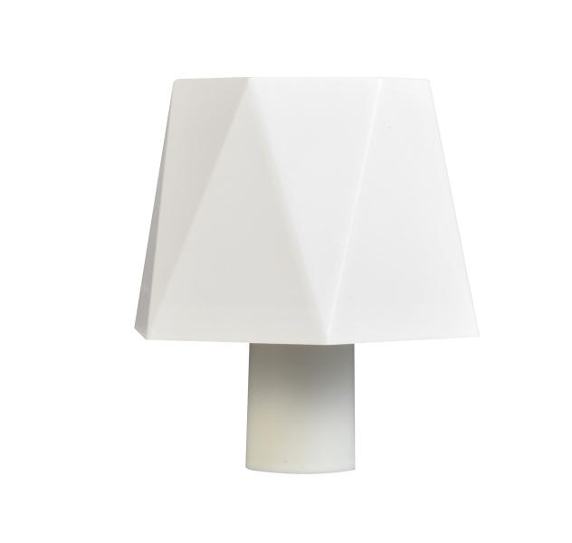
Luminaxx LED Bottle neck decorative lamp LU-013

Item number | 5370 |  | VE | no information
EAN | 4260101730886 |  | Pieces per pallet | no information
Customs number |  |  | Layers per pallet | no information

Dimensions - item
Length(cm) | Width(cm) | Height(cm) | Weight(g)
11 | 12 | 8.5 | 200

Dimensions - item packaging
Length(cm) | Width(cm) | Height(cm) | Tare(g) | Weight(g) product + packaging
13 | 13 | 11 | 0 | 300

Dimensions - VE box (master box)
Length(cm) | Width(cm) | Height(cm) | Weight(g)
0 | 0 | 0 | 0

Packaging - components
Rest of accessories (g) | Paper / cardboard (g) | Styrofoam (g) | Plastic hollow body(g) | Plastic. foils(g) | Composite materials (g)
0 | 0 | 0 | 0 | 0 | 0

Further informations
Technaxx reseller portal

