Worksheet
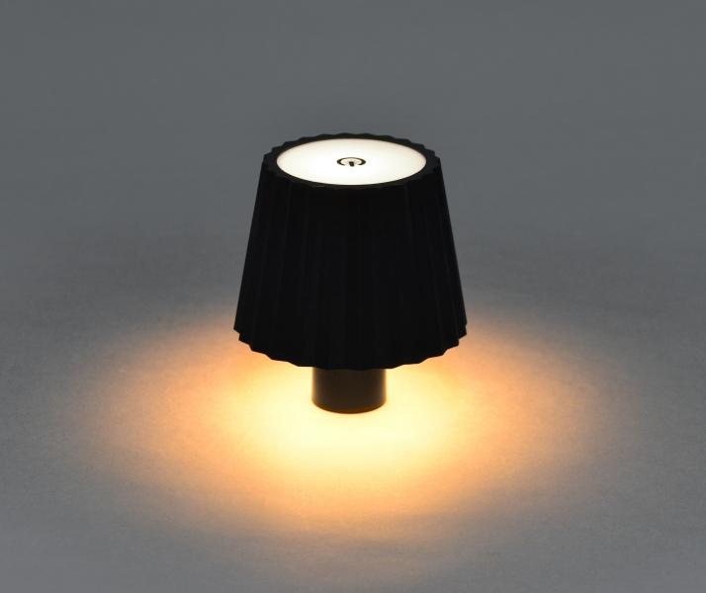
Luminaxx LED Bottle neck decorative lamp LU-011

Item number | 5368 |  | VE | no information
EAN | 4260101730862 |  | Pieces per pallet | no information
Customs number |  |  | Layers per pallet | no information
UPC | 0
Dimensions - item
Length(inch) | Width(inch) | Height(inch) | Weight(oz)
4.33 | 4.72 | 3.35 | 7,05

Dimensions - item packaging
Length(inch) | Width(inch) | Height(inch) | Tare(oz) | Weight(oz) product + packaging
5.12 | 5.12 | 4.33 | 0,00 | 10,58

Dimensions - VE box (master box)
Length(inch) | Width(inch) | Height(inch) | Weight(oz)
0 | 0 | 0 | 0,00

Packaging - components
Rest of accessories (oz) | Paper / cardboard (oz) | Styrofoam (oz) | Plastic hollow body(oz) | Plastic. foils(oz) | Composite materials (oz)
0,00 | 0,00 | 0,00 | 0,00 | 0,00 | 0,00

Further informations
Technaxx reseller portal

