Worksheet
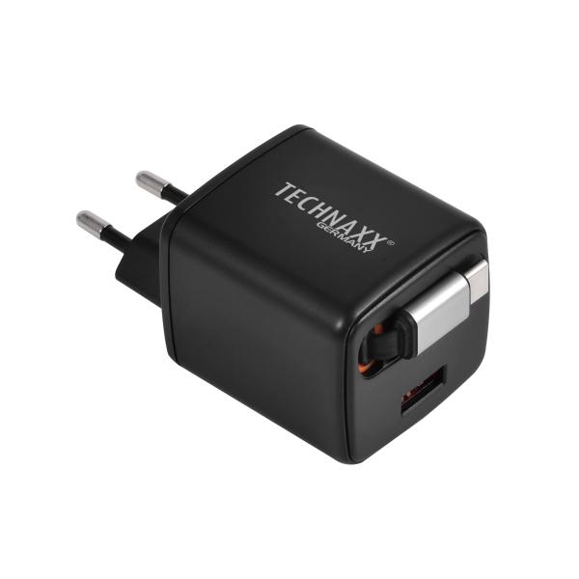
Technaxx 30W dual fast charger TX-365

Item number | 5365 |  | VE | no information
EAN | 4260101730701 |  | Pieces per pallet | no information
Customs number | 85044083 |  | Layers per pallet | no information
UPC | 0
Dimensions - item
Length(inch) | Width(inch) | Height(inch) | Weight(oz)
1.81 | 1.65 | 3.15 | 28,22

Dimensions - item packaging
Length(inch) | Width(inch) | Height(inch) | Tare(oz) | Weight(oz) product + packaging
2.36 | 2.36 | 4.72 | 0,71 | 28,92

Dimensions - VE box (master box)
Length(inch) | Width(inch) | Height(inch) | Weight(oz)
0 | 0 | 0 | 0,00

Packaging - components
Rest of accessories (oz) | Paper / cardboard (oz) | Styrofoam (oz) | Plastic hollow body(oz) | Plastic. foils(oz) | Composite materials (oz)
0,00 | 0,00 | 0,00 | 0,00 | 0,00 | 0,00

Further informations
Technaxx reseller portal

