Worksheet
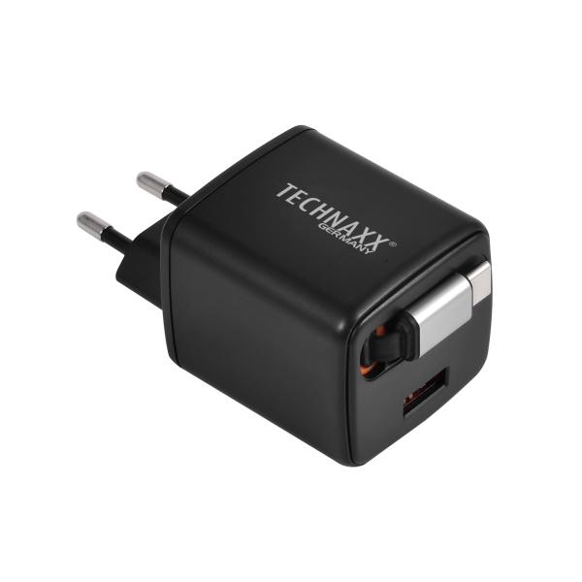
Technaxx 30W dual fast charger TX-365

Item number | 5365 |  | VE | no information
EAN | 4260101730701 |  | Pieces per pallet | no information
Customs number | 85044083 |  | Layers per pallet | no information

Dimensions - item
Length(cm) | Width(cm) | Height(cm) | Weight(g)
4.6 | 4.2 | 8 | 800

Dimensions - item packaging
Length(cm) | Width(cm) | Height(cm) | Tare(g) | Weight(g) product + packaging
6 | 6 | 12 | 20 | 820

Dimensions - VE box (master box)
Length(cm) | Width(cm) | Height(cm) | Weight(g)
0 | 0 | 0 | 0

Packaging - components
Rest of accessories (g) | Paper / cardboard (g) | Styrofoam (g) | Plastic hollow body(g) | Plastic. foils(g) | Composite materials (g)
0 | 0 | 0 | 0 | 0 | 0

Further informations
Technaxx reseller portal

