Worksheet
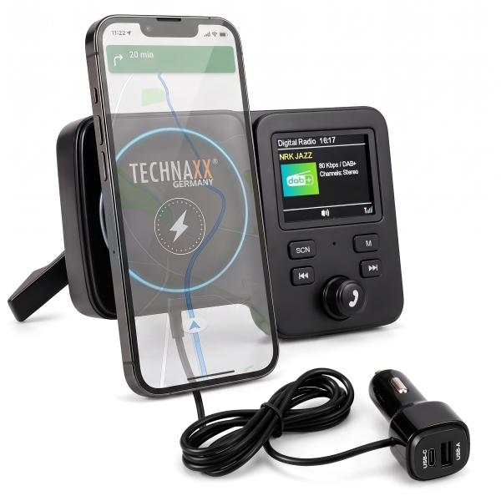
Technaxx FMT1800 DAB+ with magnetic mount & wireless charging

Item number | 5359 |  | VE | 20
EAN | 4260101730459 |  | Pieces per pallet | 480
Customs number | 85255000 |  | Layers per pallet | 3
UPC | 0
Dimensions - item
Length(inch) | Width(inch) | Height(inch) | Weight(oz)
5.39 | 3.43 | 1.97 | 4,73

Dimensions - item packaging
Length(inch) | Width(inch) | Height(inch) | Tare(oz) | Weight(oz) product + packaging
5.39 | 4.49 | 3.54 | 0,00 | 0,00

Dimensions - VE box (master box)
Length(inch) | Width(inch) | Height(inch) | Weight(oz)
18.5 | 11.81 | 9.84 | 246,92

Packaging - components
Rest of accessories (oz) | Paper / cardboard (oz) | Styrofoam (oz) | Plastic hollow body(oz) | Plastic. foils(oz) | Composite materials (oz)
0,00 | 0,00 | 0,00 | 0,00 | 0,00 | 0,00

Further informations
Technaxx reseller portal

