Worksheet
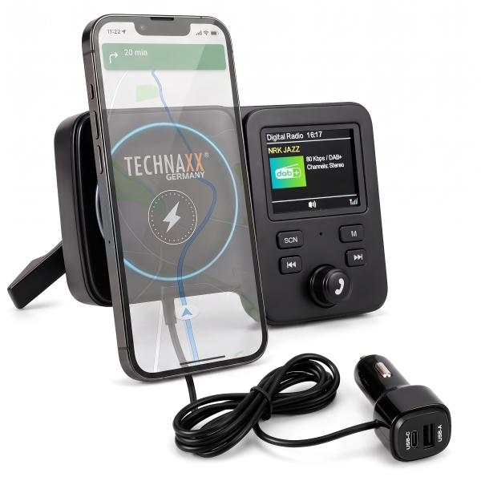
Technaxx FMT1800 DAB+ with magnetic mount & wireless charging

Item number | 5359 |  | VE | 20
EAN | 4260101730459 |  | Pieces per pallet | 480
Customs number | 85255000 |  | Layers per pallet | 3

Dimensions - item
Length(cm) | Width(cm) | Height(cm) | Weight(g)
13.7 | 8.7 | 5 | 134

Dimensions - item packaging
Length(cm) | Width(cm) | Height(cm) | Tare(g) | Weight(g) product + packaging
13.7 | 11.4 | 9 | 0 | 0

Dimensions - VE box (master box)
Length(cm) | Width(cm) | Height(cm) | Weight(g)
47 | 30 | 25 | 7000

Packaging - components
Rest of accessories (g) | Paper / cardboard (g) | Styrofoam (g) | Plastic hollow body(g) | Plastic. foils(g) | Composite materials (g)
0 | 0 | 0 | 0 | 0 | 0

Further informations
Technaxx reseller portal

