Worksheet
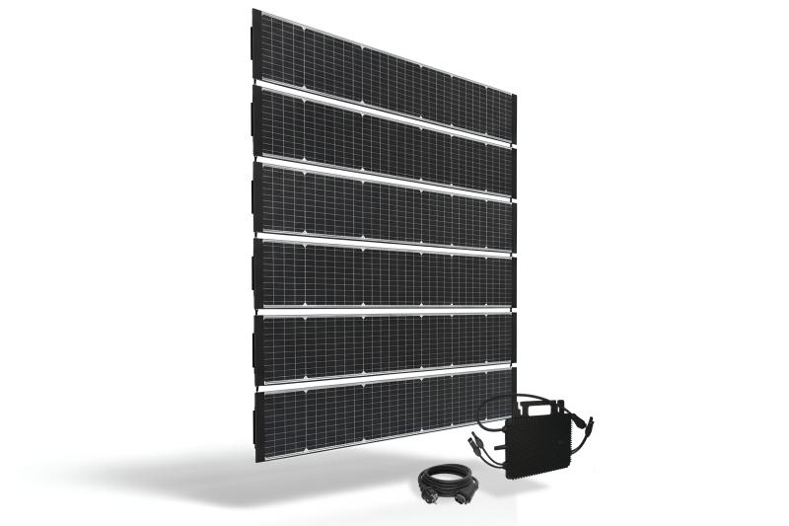
Technaxx Starter BiDo Flexi solar fence TX-356

Item number | 5353 |  | VE | 1
EAN | 4260101730411 |  | Pieces per pallet | 11
Customs number | 85018000 |  | Layers per pallet | 8
UPC | 0
Dimensions - item
Length(inch) | Width(inch) | Height(inch) | Weight(oz)
98.46 | 7.17 | 0.08 | 58,91

Dimensions - item packaging
Length(inch) | Width(inch) | Height(inch) | Tare(oz) | Weight(oz) product + packaging
46.85 | 20.87 | 7.87 | 94,60 | 599,66

Dimensions - VE box (master box)
Length(inch) | Width(inch) | Height(inch) | Weight(oz)
46.85 | 20.87 | 7.87 | 599,66

Packaging - components
Rest of accessories (oz) | Paper / cardboard (oz) | Styrofoam (oz) | Plastic hollow body(oz) | Plastic. foils(oz) | Composite materials (oz)
0,00 | 23,49 | 8,40 | 0,00 | 0,42 | 0,00

Further informations
Technaxx reseller portal

