Worksheet
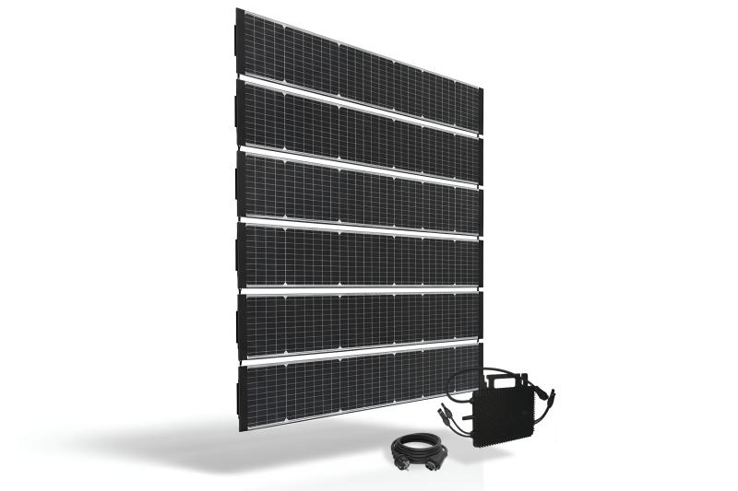
Technaxx Starter BiDo Flexi solar fence TX-356

Item number | 5353 |  | VE | 1
EAN | 4260101730411 |  | Pieces per pallet | 11
Customs number | 85018000 |  | Layers per pallet | 8

Dimensions - item
Length(cm) | Width(cm) | Height(cm) | Weight(g)
250.1 | 18.2 | 0.2 | 1670

Dimensions - item packaging
Length(cm) | Width(cm) | Height(cm) | Tare(g) | Weight(g) product + packaging
119 | 53 | 20 | 2682 | 17000

Dimensions - VE box (master box)
Length(cm) | Width(cm) | Height(cm) | Weight(g)
119 | 53 | 20 | 17000

Packaging - components
Rest of accessories (g) | Paper / cardboard (g) | Styrofoam (g) | Plastic hollow body(g) | Plastic. foils(g) | Composite materials (g)
0 | 666 | 238 | 0 | 12 | 0

Further informations
Technaxx reseller portal

