Worksheet
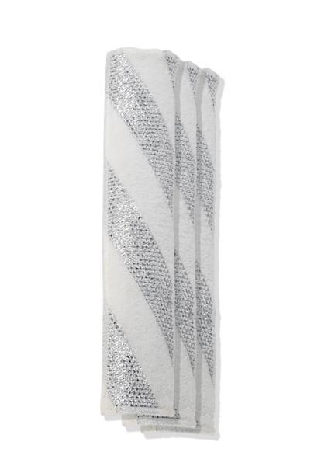
Lifenaxx replacement wipes 3pcs for LX-066

Item number | 5350 |  | VE | 100
EAN | 4260101730381 |  | Pieces per pallet | no information
Customs number | 6307109090 |  | Layers per pallet | 4
UPC | 0
Dimensions - item
Length(inch) | Width(inch) | Height(inch) | Weight(oz)
11.02 | 2.56 | 0.02 | 0,63

Dimensions - item packaging
Length(inch) | Width(inch) | Height(inch) | Tare(oz) | Weight(oz) product + packaging
11.81 | 2.76 | 1.18 | 1,20 | 1,87

Dimensions - VE box (master box)
Length(inch) | Width(inch) | Height(inch) | Weight(oz)
26.38 | 14.76 | 14.96 | 176,37

Packaging - components
Rest of accessories (oz) | Paper / cardboard (oz) | Styrofoam (oz) | Plastic hollow body(oz) | Plastic. foils(oz) | Composite materials (oz)
0,00 | 0,00 | 0,00 | 0,00 | 0,00 | 0,00

Further informations
Technaxx reseller portal

