Worksheet
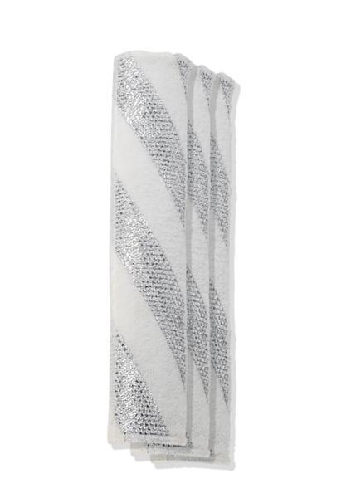
Lifenaxx replacement wipes 3pcs for LX-066

Item number | 5350 |  | VE | 100
EAN | 4260101730381 |  | Pieces per pallet | no information
Customs number | 6307109090 |  | Layers per pallet | 4

Dimensions - item
Length(cm) | Width(cm) | Height(cm) | Weight(g)
28 | 6.5 | 0.04 | 18

Dimensions - item packaging
Length(cm) | Width(cm) | Height(cm) | Tare(g) | Weight(g) product + packaging
30 | 7 | 3 | 34 | 53

Dimensions - VE box (master box)
Length(cm) | Width(cm) | Height(cm) | Weight(g)
67 | 37.5 | 38 | 5000

Packaging - components
Rest of accessories (g) | Paper / cardboard (g) | Styrofoam (g) | Plastic hollow body(g) | Plastic. foils(g) | Composite materials (g)
0 | 0 | 0 | 0 | 0 | 0

Further informations
Technaxx reseller portal

