Worksheet
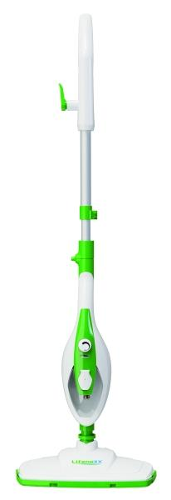
Lifenaxx Multifunctional Steam Mop LX-071

Item number | 5349 |  | VE | 4
EAN | 4260101730404 |  | Pieces per pallet | 80
Customs number | 84243090 |  | Layers per pallet | 4
UPC | 0
Dimensions - item
Length(inch) | Width(inch) | Height(inch) | Weight(oz)
12.4 | 7.09 | 47.24 | 77,60

Dimensions - item packaging
Length(inch) | Width(inch) | Height(inch) | Tare(oz) | Weight(oz) product + packaging
7.68 | 6.69 | 22.44 | 7,05 | 111,47

Dimensions - VE box (master box)
Length(inch) | Width(inch) | Height(inch) | Weight(oz)
15.94 | 13.98 | 23.23 | 460,68

Packaging - components
Rest of accessories (oz) | Paper / cardboard (oz) | Styrofoam (oz) | Plastic hollow body(oz) | Plastic. foils(oz) | Composite materials (oz)
0,00 | 4,37 | 0,00 | 0,00 | 1,52 | 0,00

Further informations
Technaxx reseller portal

