Worksheet
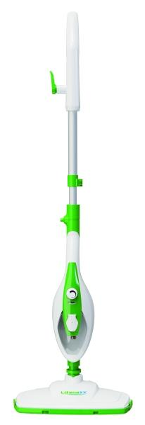
Lifenaxx Multifunctional Steam Mop LX-071

Item number | 5349 |  | VE | 4
EAN | 4260101730404 |  | Pieces per pallet | 80
Customs number | 84243090 |  | Layers per pallet | 4

Dimensions - item
Length(cm) | Width(cm) | Height(cm) | Weight(g)
31.5 | 18 | 120 | 2200

Dimensions - item packaging
Length(cm) | Width(cm) | Height(cm) | Tare(g) | Weight(g) product + packaging
19.5 | 17 | 57 | 200 | 3160

Dimensions - VE box (master box)
Length(cm) | Width(cm) | Height(cm) | Weight(g)
40.5 | 35.5 | 59 | 13060

Packaging - components
Rest of accessories (g) | Paper / cardboard (g) | Styrofoam (g) | Plastic hollow body(g) | Plastic. foils(g) | Composite materials (g)
0 | 124 | 0 | 0 | 43 | 0

Further informations
Technaxx reseller portal

