Worksheet
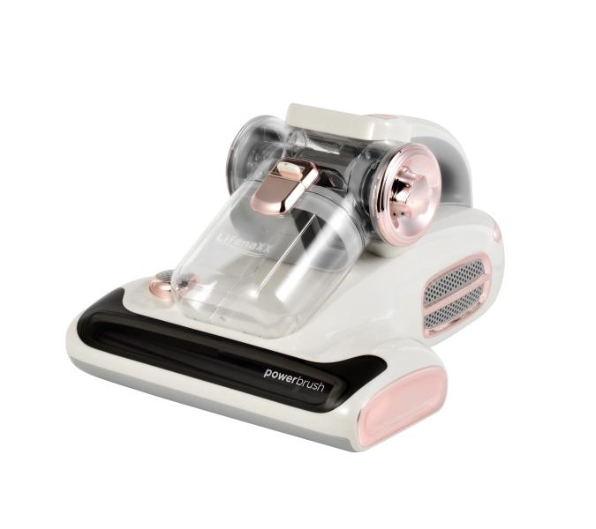
Lifenaxx Mite Vacuum Cleaner Pro with Aroma LX-070

Item number | 5348 |  | VE | 4
EAN | 4260101730329 |  | Pieces per pallet | 56
Customs number | 85081900 |  | Layers per pallet | 3
UPC | 0
Dimensions - item
Length(inch) | Width(inch) | Height(inch) | Weight(oz)
12.95 | 10.71 | 7.4 | 81,13

Dimensions - item packaging
Length(inch) | Width(inch) | Height(inch) | Tare(oz) | Weight(oz) product + packaging
14.76 | 11.73 | 9.65 | 0,00 | 102,29

Dimensions - VE box (master box)
Length(inch) | Width(inch) | Height(inch) | Weight(oz)
21.85 | 21.85 | 14.96 | 437,40

Packaging - components
Rest of accessories (oz) | Paper / cardboard (oz) | Styrofoam (oz) | Plastic hollow body(oz) | Plastic. foils(oz) | Composite materials (oz)
0,00 | 0,00 | 0,00 | 0,00 | 0,00 | 0,00

Further informations
Technaxx reseller portal

