Worksheet
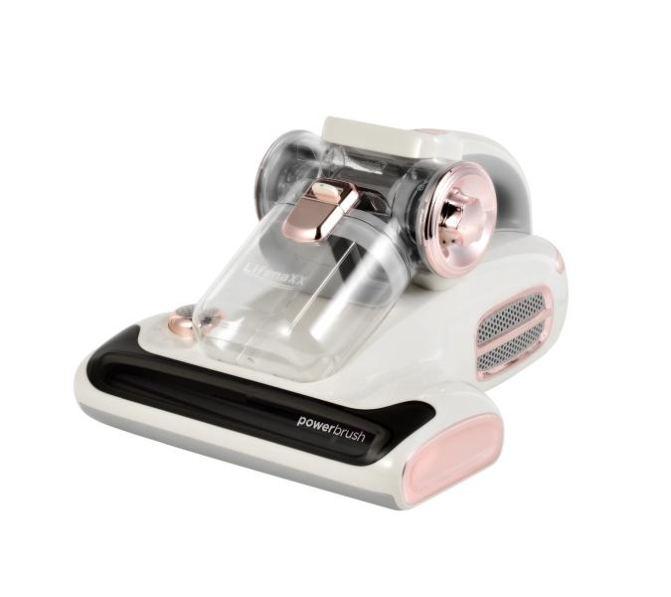
Lifenaxx Mite Vacuum Cleaner Pro with Aroma LX-070

Item number | 5348 |  | VE | 4
EAN | 4260101730329 |  | Pieces per pallet | 56
Customs number | 85081900 |  | Layers per pallet | 3

Dimensions - item
Length(cm) | Width(cm) | Height(cm) | Weight(g)
32.9 | 27.2 | 18.8 | 2300

Dimensions - item packaging
Length(cm) | Width(cm) | Height(cm) | Tare(g) | Weight(g) product + packaging
37.5 | 29.8 | 24.5 | 0 | 2900

Dimensions - VE box (master box)
Length(cm) | Width(cm) | Height(cm) | Weight(g)
55.5 | 55.5 | 38 | 12400

Packaging - components
Rest of accessories (g) | Paper / cardboard (g) | Styrofoam (g) | Plastic hollow body(g) | Plastic. foils(g) | Composite materials (g)
0 | 0 | 0 | 0 | 0 | 0

Further informations
Technaxx reseller portal

