Worksheet
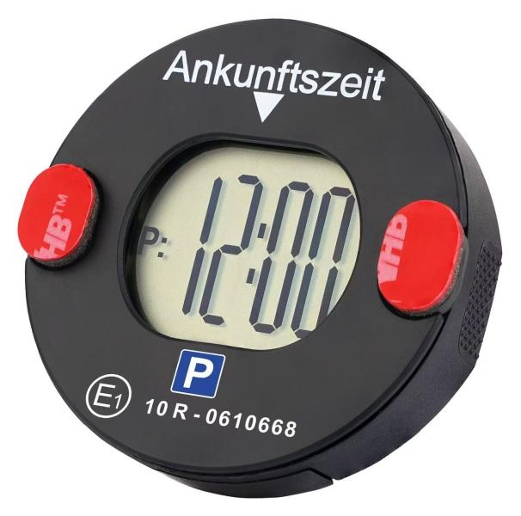
Technaxx Electronic Mini Parking Disc TX-353

Item number | 5345 |  | VE | 48
EAN | 4260101730244 |  | Pieces per pallet | 2418
Customs number | 84719000 |  | Layers per pallet | 6

Dimensions - item
Length(cm) | Width(cm) | Height(cm) | Weight(g)
6 | 6 | 1.8 | 40

Dimensions - item packaging
Length(cm) | Width(cm) | Height(cm) | Tare(g) | Weight(g) product + packaging
13.5 | 3.2 | 12.8 | 50 | 93

Dimensions - VE box (master box)
Length(cm) | Width(cm) | Height(cm) | Weight(g)
56 | 22 | 30 | 5550

Packaging - components
Rest of accessories (g) | Paper / cardboard (g) | Styrofoam (g) | Plastic hollow body(g) | Plastic. foils(g) | Composite materials (g)
7 | 14 | 0 | 0 | 0 | 0

Battery / accumulator informations
Battery needed | Battery included | Type of battery | Battery system(typus)
Yes | Yes |  | Li - Lithium- Batterie
Quantity(piece) | Weight per piece.(g) | Energy density(WH/Kg) | Power (WH)
1 | 6 | 295.2 | 1.86

Lithium battery
Energy content | Weight (Kg)
0.62 | 6.3

Further informations
Technaxx reseller portal

