Worksheet
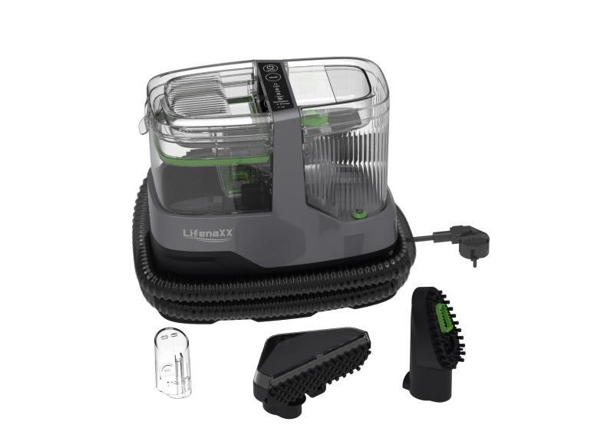
Lifenaxx Fabric Steam Cleaner 1800W PRO LX-069

Item number | 5344 |  | VE | 2
EAN | 4260101730213 |  | Pieces per pallet | 28
Customs number | 85081100 |  | Layers per pallet | 4
UPC | 0
Dimensions - item
Length(inch) | Width(inch) | Height(inch) | Weight(oz)
12.09 | 11.02 | 6.69 | 126,99

Dimensions - item packaging
Length(inch) | Width(inch) | Height(inch) | Tare(oz) | Weight(oz) product + packaging
16.93 | 12.6 | 10.24 | 20,46 | 194,01

Dimensions - VE box (master box)
Length(inch) | Width(inch) | Height(inch) | Weight(oz)
21.46 | 17.52 | 13.78 | 412,71

Packaging - components
Rest of accessories (oz) | Paper / cardboard (oz) | Styrofoam (oz) | Plastic hollow body(oz) | Plastic. foils(oz) | Composite materials (oz)
0,00 | 17,64 | 0,00 | 0,00 | 0,35 | 0,00

Further informations
Technaxx reseller portal

