Worksheet
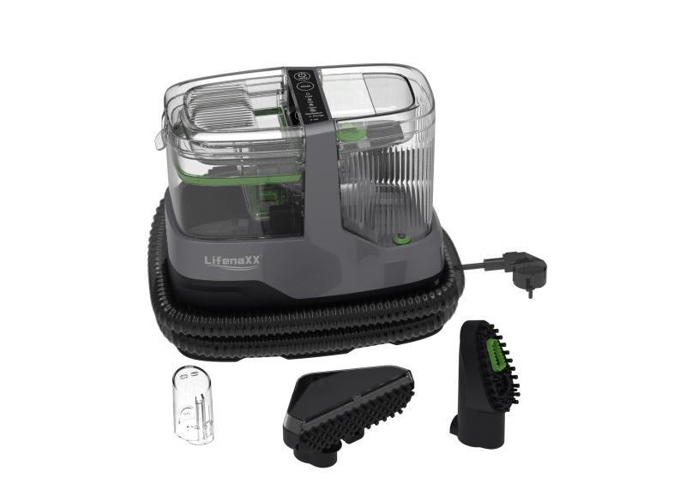
Lifenaxx Fabric Steam Cleaner 1800W PRO LX-069

Item number | 5344 |  | VE | 2
EAN | 4260101730213 |  | Pieces per pallet | 28
Customs number | 85081100 |  | Layers per pallet | 4

Dimensions - item
Length(cm) | Width(cm) | Height(cm) | Weight(g)
30.7 | 28 | 17 | 3600

Dimensions - item packaging
Length(cm) | Width(cm) | Height(cm) | Tare(g) | Weight(g) product + packaging
43 | 32 | 26 | 580 | 5500

Dimensions - VE box (master box)
Length(cm) | Width(cm) | Height(cm) | Weight(g)
54.5 | 44.5 | 35 | 11700

Packaging - components
Rest of accessories (g) | Paper / cardboard (g) | Styrofoam (g) | Plastic hollow body(g) | Plastic. foils(g) | Composite materials (g)
0 | 500 | 0 | 0 | 10 | 0

Further informations
Technaxx reseller portal

