Worksheet
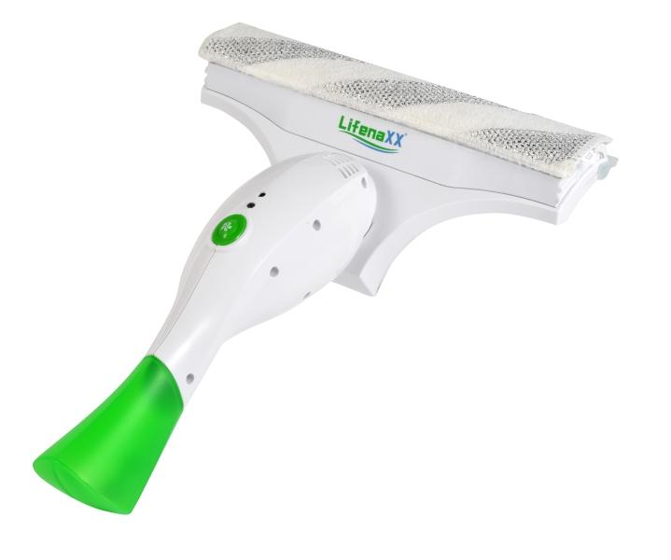
Lifenaxx Window Cleaner LX-066

Item number | 5342 |  | VE | 8
EAN | 4260101730176 |  | Pieces per pallet | 144
Customs number | 85081100 |  | Layers per pallet | 3
UPC | 0
Dimensions - item
Length(inch) | Width(inch) | Height(inch) | Weight(oz)
12.99 | 6.69 | 3.54 | 20,11

Dimensions - item packaging
Length(inch) | Width(inch) | Height(inch) | Tare(oz) | Weight(oz) product + packaging
8.27 | 3.54 | 12.2 | 0,00 | 28,92

Dimensions - VE box (master box)
Length(inch) | Width(inch) | Height(inch) | Weight(oz)
17.72 | 15.94 | 12.8 | 299,83

Packaging - components
Rest of accessories (oz) | Paper / cardboard (oz) | Styrofoam (oz) | Plastic hollow body(oz) | Plastic. foils(oz) | Composite materials (oz)
0,00 | 0,00 | 0,00 | 0,00 | 0,00 | 0,00

Battery / accumulator informations
Battery needed | Battery included | Type of battery | Battery system(typus)
Yes | Yes | Akku | Li-Ion - Lithium-Ionen-Akku
Quantity(piece) | Weight per piece.(oz) | Energy density(WH/Kg) | Power (WH)
1 | 1,98 | 0 | 0

Lithium battery
Energy content | Weight (oz)
2 | 1,98

Further informations
Technaxx reseller portal

