Worksheet
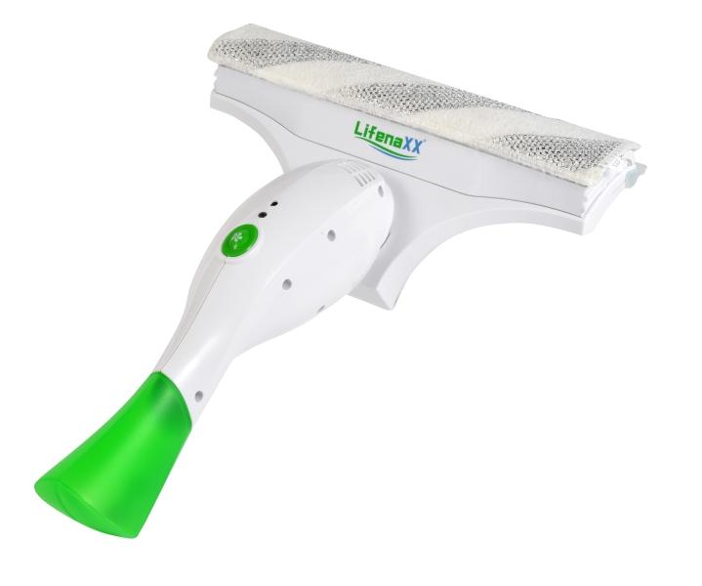
Lifenaxx Window Cleaner LX-066

Item number | 5342 |  | VE | 8
EAN | 4260101730176 |  | Pieces per pallet | 144
Customs number | 85081100 |  | Layers per pallet | 3

Dimensions - item
Length(cm) | Width(cm) | Height(cm) | Weight(g)
33 | 17 | 9 | 570

Dimensions - item packaging
Length(cm) | Width(cm) | Height(cm) | Tare(g) | Weight(g) product + packaging
21 | 9 | 31 | 0 | 820

Dimensions - VE box (master box)
Length(cm) | Width(cm) | Height(cm) | Weight(g)
45 | 40.5 | 32.5 | 8500

Packaging - components
Rest of accessories (g) | Paper / cardboard (g) | Styrofoam (g) | Plastic hollow body(g) | Plastic. foils(g) | Composite materials (g)
0 | 0 | 0 | 0 | 0 | 0

Battery / accumulator informations
Battery needed | Battery included | Type of battery | Battery system(typus)
Yes | Yes | Akku | Li-Ion - Lithium-Ionen-Akku
Quantity(piece) | Weight per piece.(g) | Energy density(WH/Kg) | Power (WH)
1 | 56 | 0 | 0

Lithium battery
Energy content | Weight (Kg)
2 | 56

Further informations
Technaxx reseller portal

