Worksheet
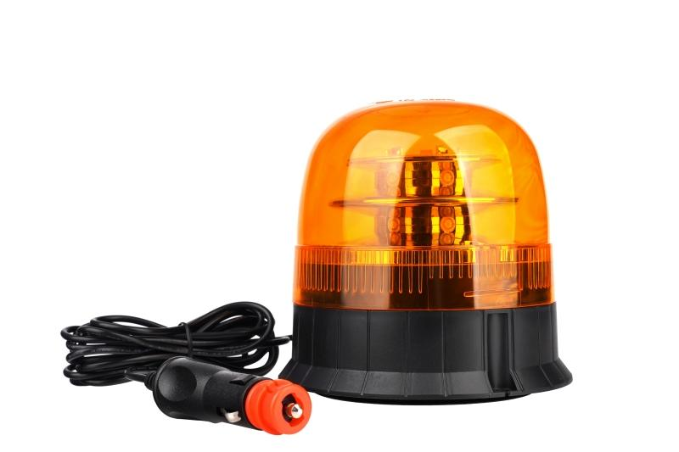
Technaxx Car Light Beacon 12V TX-349

Item number | 5334 |  | VE | 20
EAN | 4260101730107 |  | Pieces per pallet | 400
Customs number | 85121000 |  | Layers per pallet | 5
UPC | 0
Dimensions - item
Length(inch) | Width(inch) | Height(inch) | Weight(oz)
5.51 | 5.51 | 5.31 | 19,58

Dimensions - item packaging
Length(inch) | Width(inch) | Height(inch) | Tare(oz) | Weight(oz) product + packaging
5.71 | 5.71 | 6.3 | 0,00 | 22,01

Dimensions - VE box (master box)
Length(inch) | Width(inch) | Height(inch) | Weight(oz)
28.15 | 11.81 | 13.58 | 466,32

Packaging - components
Rest of accessories (oz) | Paper / cardboard (oz) | Styrofoam (oz) | Plastic hollow body(oz) | Plastic. foils(oz) | Composite materials (oz)
0,00 | 0,00 | 0,00 | 0,00 | 0,00 | 0,00

Further informations
Technaxx reseller portal

