Worksheet
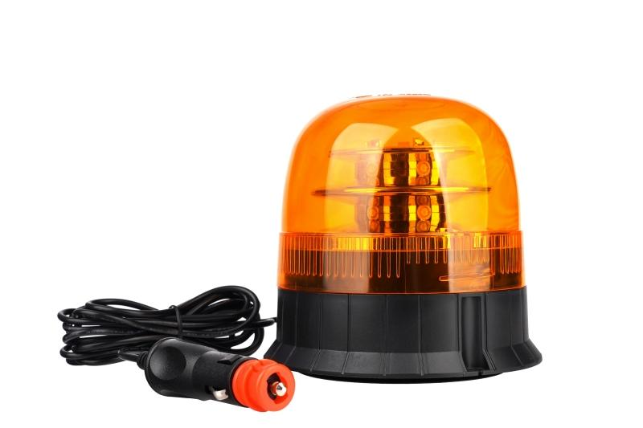
Technaxx Car Light Beacon 12V TX-349

Item number | 5334 |  | VE | 20
EAN | 4260101730107 |  | Pieces per pallet | 400
Customs number | 85121000 |  | Layers per pallet | 5

Dimensions - item
Length(cm) | Width(cm) | Height(cm) | Weight(g)
14 | 14 | 13.5 | 555

Dimensions - item packaging
Length(cm) | Width(cm) | Height(cm) | Tare(g) | Weight(g) product + packaging
14.5 | 14.5 | 16 | 0 | 624

Dimensions - VE box (master box)
Length(cm) | Width(cm) | Height(cm) | Weight(g)
71.5 | 30 | 34.5 | 13220

Packaging - components
Rest of accessories (g) | Paper / cardboard (g) | Styrofoam (g) | Plastic hollow body(g) | Plastic. foils(g) | Composite materials (g)
0 | 0 | 0 | 0 | 0 | 0

Further informations
Technaxx reseller portal

