Worksheet
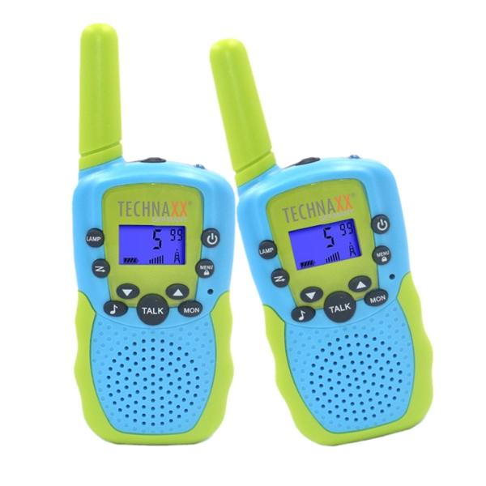
Technaxx Kids Walkie Talkie Set TX-347

Item number | 5332 |  | VE | 50
EAN | 4260101730220 |  | Pieces per pallet | 1500
Customs number | 85176930 |  | Layers per pallet | 5
UPC | 0
Dimensions - item
Length(inch) | Width(inch) | Height(inch) | Weight(oz)
5.51 | 1.97 | 0.79 | 3,46

Dimensions - item packaging
Length(inch) | Width(inch) | Height(inch) | Tare(oz) | Weight(oz) product + packaging
5.91 | 3.15 | 2.44 | 0,00 | 6,98

Dimensions - VE box (master box)
Length(inch) | Width(inch) | Height(inch) | Weight(oz)
15.75 | 13.78 | 13.39 | 458,56

Packaging - components
Rest of accessories (oz) | Paper / cardboard (oz) | Styrofoam (oz) | Plastic hollow body(oz) | Plastic. foils(oz) | Composite materials (oz)
0,00 | 0,00 | 0,00 | 0,00 | 0,00 | 0,00

Further informations
Technaxx reseller portal

