Worksheet
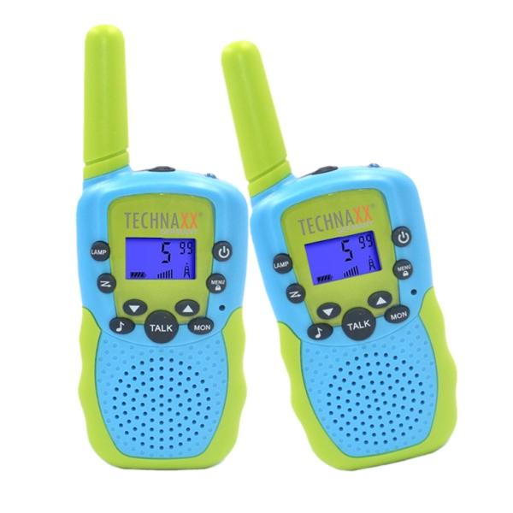
Technaxx Kids Walkie Talkie Set TX-347

Item number | 5332 |  | VE | 50
EAN | 4260101730220 |  | Pieces per pallet | 1500
Customs number | 85176930 |  | Layers per pallet | 5

Dimensions - item
Length(cm) | Width(cm) | Height(cm) | Weight(g)
14 | 5 | 2 | 98

Dimensions - item packaging
Length(cm) | Width(cm) | Height(cm) | Tare(g) | Weight(g) product + packaging
15 | 8 | 6.2 | 0 | 198

Dimensions - VE box (master box)
Length(cm) | Width(cm) | Height(cm) | Weight(g)
40 | 35 | 34 | 13000

Packaging - components
Rest of accessories (g) | Paper / cardboard (g) | Styrofoam (g) | Plastic hollow body(g) | Plastic. foils(g) | Composite materials (g)
0 | 0 | 0 | 0 | 0 | 0

Further informations
Technaxx reseller portal

