Worksheet
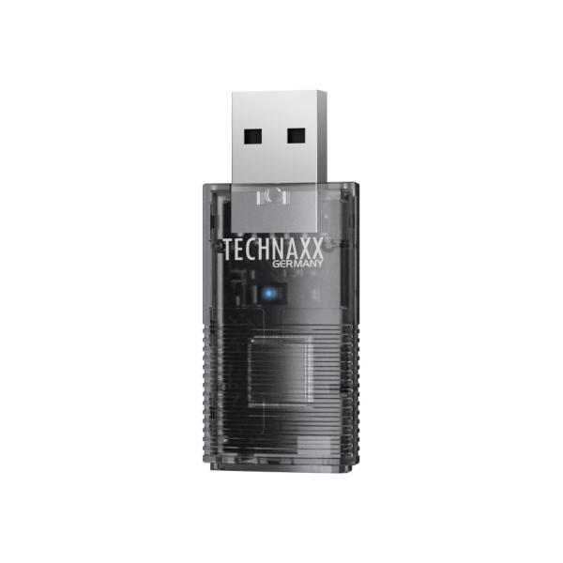
Technaxx USB-Dongle Car Play & Android Auto TX-346

Item number | 5331 |  | VE | 120
EAN | 4260101730084 |  | Pieces per pallet | 4500
Customs number | 85255000 |  | Layers per pallet | 4
UPC | 0
Dimensions - item
Length(inch) | Width(inch) | Height(inch) | Weight(oz)
1.97 | 0.83 | 0.39 | 0,32

Dimensions - item packaging
Length(inch) | Width(inch) | Height(inch) | Tare(oz) | Weight(oz) product + packaging
3.82 | 0.93 | 5.91 | 0,42 | 1,94

Dimensions - VE box (master box)
Length(inch) | Width(inch) | Height(inch) | Weight(oz)
16.93 | 16.54 | 15.75 | 375,67

Packaging - components
Rest of accessories (oz) | Paper / cardboard (oz) | Styrofoam (oz) | Plastic hollow body(oz) | Plastic. foils(oz) | Composite materials (oz)
0,42 | 0,39 | 0,00 | 0,18 | 0,00 | 0,00

Further informations
Technaxx reseller portal

