Worksheet
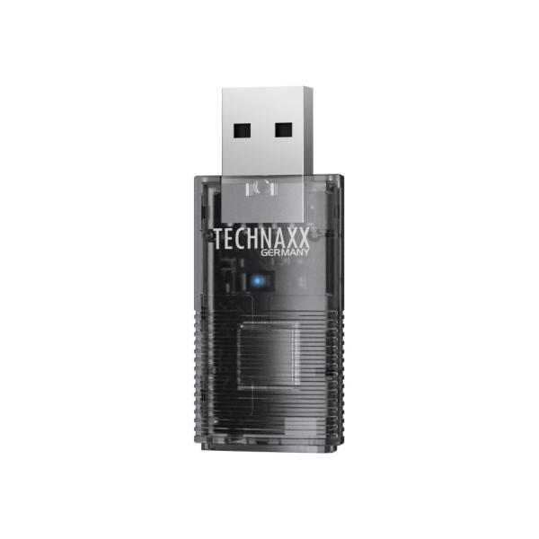
Technaxx USB-Dongle Car Play & Android Auto TX-346

Item number | 5331 |  | VE | 120
EAN | 4260101730084 |  | Pieces per pallet | 4500
Customs number | 85255000 |  | Layers per pallet | 4

Dimensions - item
Length(cm) | Width(cm) | Height(cm) | Weight(g)
5 | 2.1 | 1 | 9

Dimensions - item packaging
Length(cm) | Width(cm) | Height(cm) | Tare(g) | Weight(g) product + packaging
9.7 | 2.35 | 15 | 12 | 55

Dimensions - VE box (master box)
Length(cm) | Width(cm) | Height(cm) | Weight(g)
43 | 42 | 40 | 10650

Packaging - components
Rest of accessories (g) | Paper / cardboard (g) | Styrofoam (g) | Plastic hollow body(g) | Plastic. foils(g) | Composite materials (g)
12 | 11 | 0 | 5 | 0 | 0

Further informations
Technaxx reseller portal

