Worksheet
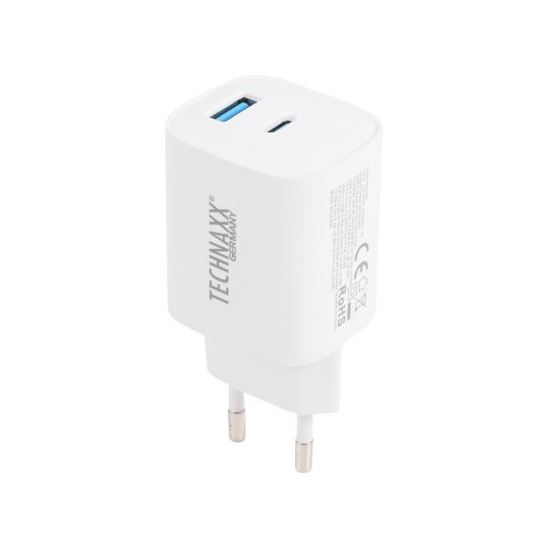
Technaxx 45W USB-A + C GAN fast charger TX-345

Item number | 5330 |  | VE | 10
EAN | 4260101730077 |  | Pieces per pallet | no information
Customs number | 85044083 |  | Layers per pallet | 15
UPC | 0
Dimensions - item
Length(inch) | Width(inch) | Height(inch) | Weight(oz)
3.15 | 1.97 | 1.57 | 3,35

Dimensions - item packaging
Length(inch) | Width(inch) | Height(inch) | Tare(oz) | Weight(oz) product + packaging
7.09 | 3.94 | 0 | 0,35 | 3,53

Dimensions - VE box (master box)
Length(inch) | Width(inch) | Height(inch) | Weight(oz)
9.06 | 7.87 | 4.53 | 31,75

Packaging - components
Rest of accessories (oz) | Paper / cardboard (oz) | Styrofoam (oz) | Plastic hollow body(oz) | Plastic. foils(oz) | Composite materials (oz)
0,00 | 0,00 | 0,00 | 0,00 | 0,00 | 0,00

Further informations
Technaxx reseller portal

