Worksheet
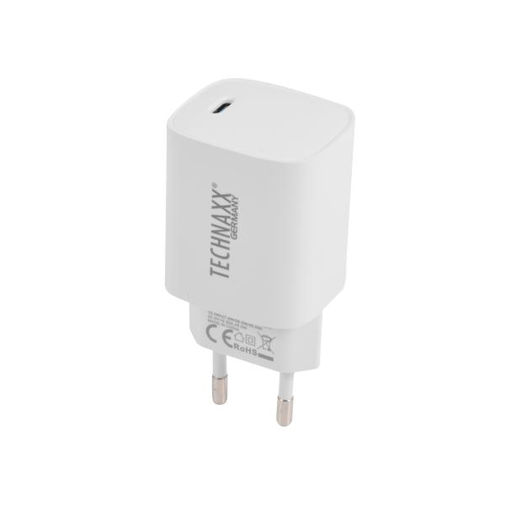
Technaxx 45W USB-C GAN fast charger TX-344

Item number | 5329 |  | VE | 10
EAN | 4260101730060 |  | Pieces per pallet | no information
Customs number | 85044083 |  | Layers per pallet | 15

Dimensions - item
Length(cm) | Width(cm) | Height(cm) | Weight(g)
8 | 5 | 4 | 95

Dimensions - item packaging
Length(cm) | Width(cm) | Height(cm) | Tare(g) | Weight(g) product + packaging
18 | 10 | 0 | 10 | 100

Dimensions - VE box (master box)
Length(cm) | Width(cm) | Height(cm) | Weight(g)
23 | 20 | 11.5 | 900

Packaging - components
Rest of accessories (g) | Paper / cardboard (g) | Styrofoam (g) | Plastic hollow body(g) | Plastic. foils(g) | Composite materials (g)
0 | 0 | 0 | 0 | 0 | 0

Further informations
Technaxx reseller portal

