Worksheet
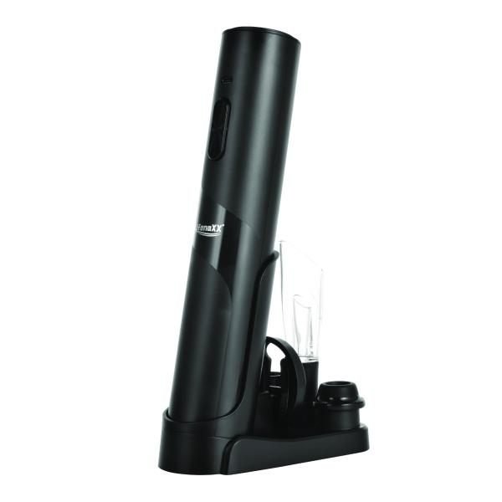
Lifenaxx Electric Wine Opener with Preservation Set LX-064

Item number | 5325 |  | VE | 20
EAN | 4260101730022 |  | Pieces per pallet | 400
Customs number | 85098000 |  | Layers per pallet | 4
UPC | 0
Dimensions - item
Length(inch) | Width(inch) | Height(inch) | Weight(oz)
10.47 | 5.35 | 3.82 | 10,51

Dimensions - item packaging
Length(inch) | Width(inch) | Height(inch) | Tare(oz) | Weight(oz) product + packaging
10.87 | 3.98 | 3.54 | 3,10 | 21,16

Dimensions - VE box (master box)
Length(inch) | Width(inch) | Height(inch) | Weight(oz)
18.31 | 16.65 | 11.85 | 456,09

Packaging - components
Rest of accessories (oz) | Paper / cardboard (oz) | Styrofoam (oz) | Plastic hollow body(oz) | Plastic. foils(oz) | Composite materials (oz)
0,00 | 0,00 | 0,00 | 0,00 | 0,00 | 0,00

Battery / accumulator informations
Battery needed | Battery included | Type of battery | Battery system(typus)
Yes | Yes | Akku | Li-Ion - Lithium-Ionen-Akku
Quantity(piece) | Weight per piece.(oz) | Energy density(WH/Kg) | Power (WH)
0 | 0,00 | 0 | 0

Lithium battery
Energy content | Weight (oz)
0 | 0,00

Further informations
Technaxx reseller portal

