Worksheet
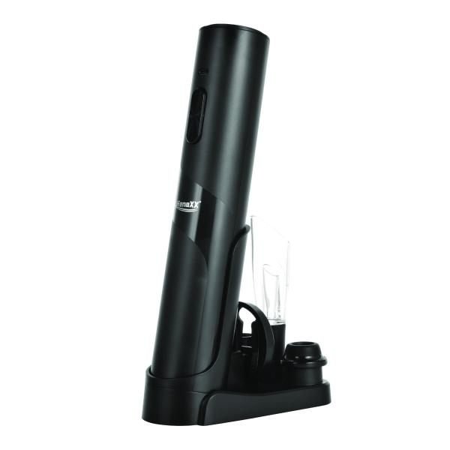
Lifenaxx Electric Wine Opener with Preservation Set LX-064

Item number | 5325 |  | VE | 20
EAN | 4260101730022 |  | Pieces per pallet | 400
Customs number | 85098000 |  | Layers per pallet | 4

Dimensions - item
Length(cm) | Width(cm) | Height(cm) | Weight(g)
26.6 | 13.6 | 9.7 | 298

Dimensions - item packaging
Length(cm) | Width(cm) | Height(cm) | Tare(g) | Weight(g) product + packaging
27.6 | 10.1 | 9 | 88 | 600

Dimensions - VE box (master box)
Length(cm) | Width(cm) | Height(cm) | Weight(g)
46.5 | 42.3 | 30.1 | 12930

Packaging - components
Rest of accessories (g) | Paper / cardboard (g) | Styrofoam (g) | Plastic hollow body(g) | Plastic. foils(g) | Composite materials (g)
0 | 0 | 0 | 0 | 0 | 0

Battery / accumulator informations
Battery needed | Battery included | Type of battery | Battery system(typus)
Yes | Yes | Akku | Li-Ion - Lithium-Ionen-Akku
Quantity(piece) | Weight per piece.(g) | Energy density(WH/Kg) | Power (WH)
0 | 0 | 0 | 0

Lithium battery
Energy content | Weight (Kg)
0 | 0

Further informations
Technaxx reseller portal

