Worksheet
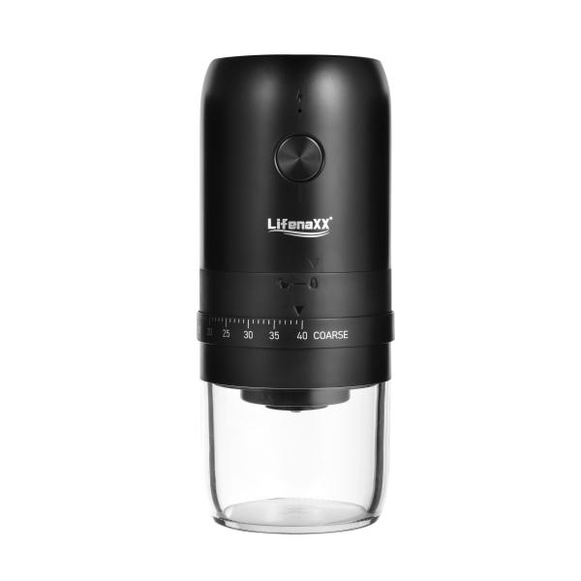
Lifenaxx Electric Coffee Grinder LX-063

Item number | 5324 |  | VE | 24
EAN | 4260101730015 |  | Pieces per pallet | no information
Customs number | 85098000 |  | Layers per pallet | 4
UPC | 0
Dimensions - item
Length(inch) | Width(inch) | Height(inch) | Weight(oz)
7.64 | 3.27 | 3.27 | 16,86

Dimensions - item packaging
Length(inch) | Width(inch) | Height(inch) | Tare(oz) | Weight(oz) product + packaging
8.03 | 3.58 | 3.58 | 1,87 | 20,49

Dimensions - VE box (master box)
Length(inch) | Width(inch) | Height(inch) | Weight(oz)
16.93 | 14.57 | 11.1 | 518,53

Packaging - components
Rest of accessories (oz) | Paper / cardboard (oz) | Styrofoam (oz) | Plastic hollow body(oz) | Plastic. foils(oz) | Composite materials (oz)
0,00 | 0,00 | 0,00 | 0,00 | 0,00 | 0,00

Battery / accumulator informations
Battery needed | Battery included | Type of battery | Battery system(typus)
Yes | Yes | Akku | Li-Ion - Lithium-Ionen-Akku
Quantity(piece) | Weight per piece.(oz) | Energy density(WH/Kg) | Power (WH)
1 | 1,59 | 203.74 | 9.25

Lithium battery
Energy content | Weight (oz)
1.8 | 1,59

Further informations
Technaxx reseller portal

