Worksheet
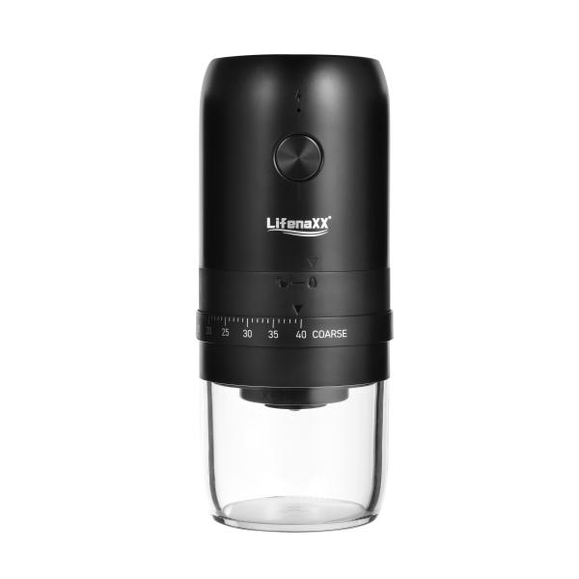
Lifenaxx Electric Coffee Grinder LX-063

Item number | 5324 |  | VE | 24
EAN | 4260101730015 |  | Pieces per pallet | no information
Customs number | 85098000 |  | Layers per pallet | 4

Dimensions - item
Length(cm) | Width(cm) | Height(cm) | Weight(g)
19.4 | 8.3 | 8.3 | 478

Dimensions - item packaging
Length(cm) | Width(cm) | Height(cm) | Tare(g) | Weight(g) product + packaging
20.4 | 9.1 | 9.1 | 53 | 581

Dimensions - VE box (master box)
Length(cm) | Width(cm) | Height(cm) | Weight(g)
43 | 37 | 28.2 | 14700

Packaging - components
Rest of accessories (g) | Paper / cardboard (g) | Styrofoam (g) | Plastic hollow body(g) | Plastic. foils(g) | Composite materials (g)
0 | 0 | 0 | 0 | 0 | 0

Battery / accumulator informations
Battery needed | Battery included | Type of battery | Battery system(typus)
Yes | Yes | Akku | Li-Ion - Lithium-Ionen-Akku
Quantity(piece) | Weight per piece.(g) | Energy density(WH/Kg) | Power (WH)
1 | 45 | 203.74 | 9.25

Lithium battery
Energy content | Weight (Kg)
1.8 | 45

Further informations
Technaxx reseller portal

