Worksheet
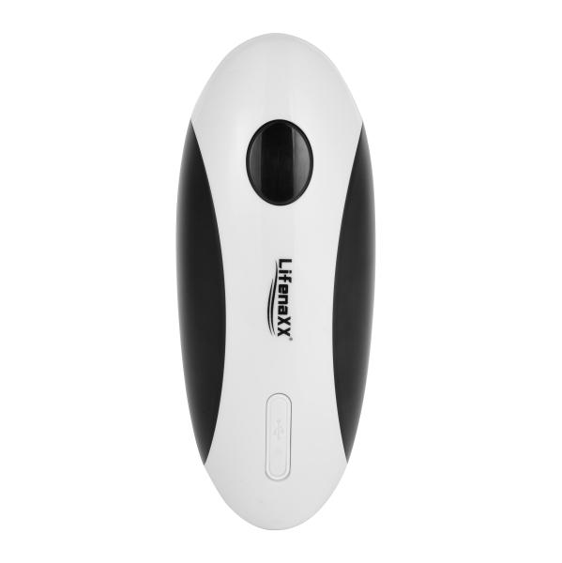
Lifenaxx Electric Can Opener LX-062

Item number | 5322 |  | VE | 30
EAN | 4260101730008 |  | Pieces per pallet | 630
Customs number | 85098000 |  | Layers per pallet | 3
UPC | 0
Dimensions - item
Length(inch) | Width(inch) | Height(inch) | Weight(oz)
6.26 | 2.52 | 2.52 | 11,50

Dimensions - item packaging
Length(inch) | Width(inch) | Height(inch) | Tare(oz) | Weight(oz) product + packaging
7.28 | 3.58 | 3.19 | 2,96 | 15,94

Dimensions - VE box (master box)
Length(inch) | Width(inch) | Height(inch) | Weight(oz)
19.49 | 18.5 | 9.02 | 504,77

Packaging - components
Rest of accessories (oz) | Paper / cardboard (oz) | Styrofoam (oz) | Plastic hollow body(oz) | Plastic. foils(oz) | Composite materials (oz)
0,00 | 0,00 | 0,00 | 0,00 | 0,00 | 0,00

Battery / accumulator informations
Battery needed | Battery included | Type of battery | Battery system(typus)
Yes | Yes | Akku | Li-Ion - Lithium-Ionen-Akku
Quantity(piece) | Weight per piece.(oz) | Energy density(WH/Kg) | Power (WH)
1 | 0,63 | 103.35 | 1.85

Lithium battery
Energy content | Weight (oz)
0.5 | 0,63

Further informations
Technaxx reseller portal

