Worksheet
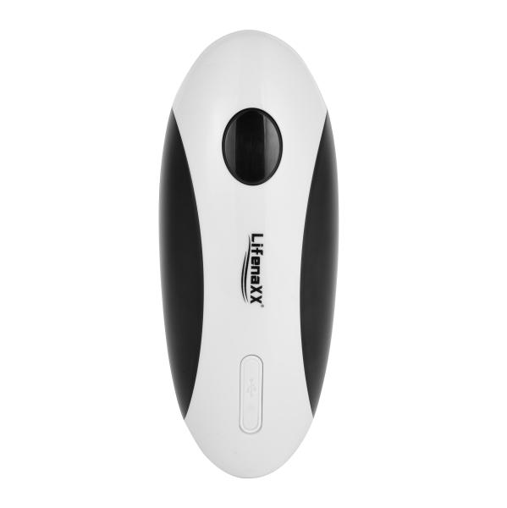
Lifenaxx Electric Can Opener LX-062

Item number | 5322 |  | VE | 30
EAN | 4260101730008 |  | Pieces per pallet | 630
Customs number | 85098000 |  | Layers per pallet | 3

Dimensions - item
Length(cm) | Width(cm) | Height(cm) | Weight(g)
15.9 | 6.4 | 6.4 | 326

Dimensions - item packaging
Length(cm) | Width(cm) | Height(cm) | Tare(g) | Weight(g) product + packaging
18.5 | 9.1 | 8.1 | 84 | 452

Dimensions - VE box (master box)
Length(cm) | Width(cm) | Height(cm) | Weight(g)
49.5 | 47 | 22.9 | 14310

Packaging - components
Rest of accessories (g) | Paper / cardboard (g) | Styrofoam (g) | Plastic hollow body(g) | Plastic. foils(g) | Composite materials (g)
0 | 0 | 0 | 0 | 0 | 0

Battery / accumulator informations
Battery needed | Battery included | Type of battery | Battery system(typus)
Yes | Yes | Akku | Li-Ion - Lithium-Ionen-Akku
Quantity(piece) | Weight per piece.(g) | Energy density(WH/Kg) | Power (WH)
1 | 18 | 103.35 | 1.85

Lithium battery
Energy content | Weight (Kg)
0.5 | 18

Further informations
Technaxx reseller portal

