Worksheet
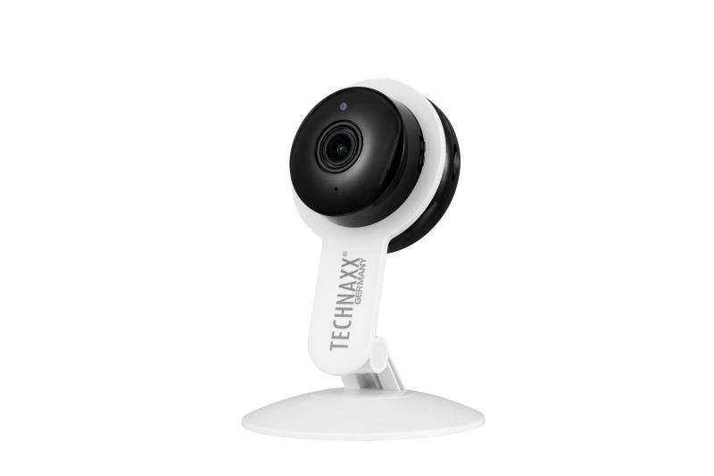
Technaxx Tuya 2MP Wi-Fi IP Camera TX-339

Item number | 5321 |  | VE | 50
EAN | 4260358128719 |  | Pieces per pallet | 600
Customs number | 85258300 |  | Layers per pallet | 3
UPC | 0
Dimensions - item
Length(inch) | Width(inch) | Height(inch) | Weight(oz)
3.19 | 1.38 | 4.57 | 2,29

Dimensions - item packaging
Length(inch) | Width(inch) | Height(inch) | Tare(oz) | Weight(oz) product + packaging
3.74 | 1.97 | 6.54 | 1,27 | 5,82

Dimensions - VE box (master box)
Length(inch) | Width(inch) | Height(inch) | Weight(oz)
19.09 | 11.42 | 10.83 | 388,01

Packaging - components
Rest of accessories (oz) | Paper / cardboard (oz) | Styrofoam (oz) | Plastic hollow body(oz) | Plastic. foils(oz) | Composite materials (oz)
0,74 | 1,06 | 0,00 | 0,00 | 0,04 | 0,00

Further informations
Technaxx reseller portal

