Worksheet
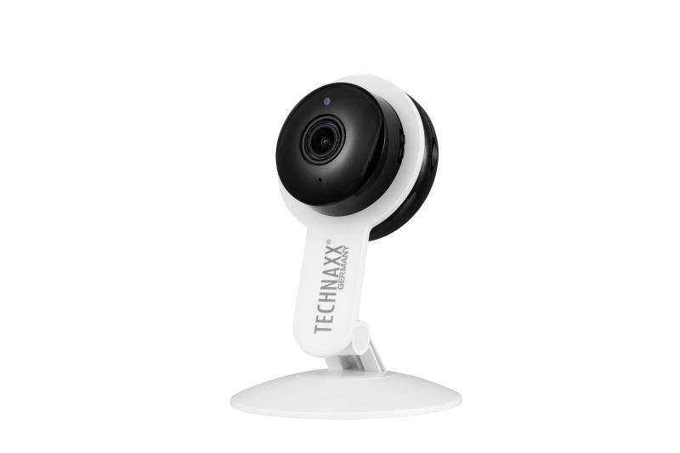
Technaxx Tuya 2MP Wi-Fi IP Camera TX-339

Item number | 5321 |  | VE | 50
EAN | 4260358128719 |  | Pieces per pallet | 600
Customs number | 85258300 |  | Layers per pallet | 3

Dimensions - item
Length(cm) | Width(cm) | Height(cm) | Weight(g)
8.1 | 3.5 | 11.6 | 65

Dimensions - item packaging
Length(cm) | Width(cm) | Height(cm) | Tare(g) | Weight(g) product + packaging
9.5 | 5 | 16.6 | 36 | 165

Dimensions - VE box (master box)
Length(cm) | Width(cm) | Height(cm) | Weight(g)
48.5 | 29 | 27.5 | 11000

Packaging - components
Rest of accessories (g) | Paper / cardboard (g) | Styrofoam (g) | Plastic hollow body(g) | Plastic. foils(g) | Composite materials (g)
21 | 30 | 0 | 0 | 1 | 0

Further informations
Technaxx reseller portal

