Worksheet
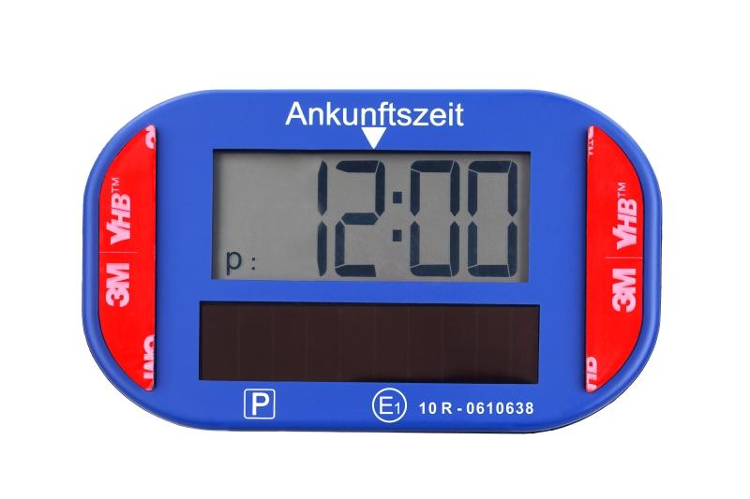
Technaxx Electronic PV Parking Disc TX-337

Item number | 5319 |  | VE | 48
EAN | 4260358128696 |  | Pieces per pallet | 1728
Customs number | 84719000 |  | Layers per pallet | 6
UPC | 0
Dimensions - item
Length(inch) | Width(inch) | Height(inch) | Weight(oz)
3.94 | 2.36 | 0.91 | 2,79

Dimensions - item packaging
Length(inch) | Width(inch) | Height(inch) | Tare(oz) | Weight(oz) product + packaging
5.31 | 1.26 | 5.04 | 1,52 | 5,01

Dimensions - VE box (master box)
Length(inch) | Width(inch) | Height(inch) | Weight(oz)
22.83 | 9.06 | 11.81 | 292,77

Packaging - components
Rest of accessories (oz) | Paper / cardboard (oz) | Styrofoam (oz) | Plastic hollow body(oz) | Plastic. foils(oz) | Composite materials (oz)
0,25 | 0,49 | 0,00 | 0,00 | 0,00 | 0,00

Battery / accumulator informations
Battery needed | Battery included | Type of battery | Battery system(typus)
Yes | Yes |  | Li-Ion - Lithium-Ionen-Akku
Quantity(piece) | Weight per piece.(oz) | Energy density(WH/Kg) | Power (WH)
1 | 0,00 | 0 | 0

Lithium battery
Energy content | Weight (oz)
0.04 | 0,00

Further informations
Technaxx reseller portal

