Worksheet
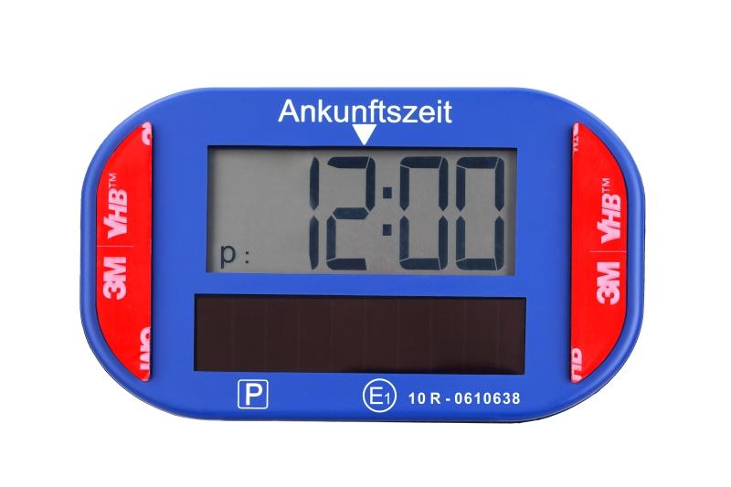
Technaxx Electronic PV Parking Disc TX-337

Item number | 5319 |  | VE | 48
EAN | 4260358128696 |  | Pieces per pallet | 1728
Customs number | 84719000 |  | Layers per pallet | 6

Dimensions - item
Length(cm) | Width(cm) | Height(cm) | Weight(g)
10 | 6 | 2.3 | 79

Dimensions - item packaging
Length(cm) | Width(cm) | Height(cm) | Tare(g) | Weight(g) product + packaging
13.5 | 3.2 | 12.8 | 43 | 142

Dimensions - VE box (master box)
Length(cm) | Width(cm) | Height(cm) | Weight(g)
58 | 23 | 30 | 8300

Packaging - components
Rest of accessories (g) | Paper / cardboard (g) | Styrofoam (g) | Plastic hollow body(g) | Plastic. foils(g) | Composite materials (g)
7 | 14 | 0 | 0 | 0 | 0

Battery / accumulator informations
Battery needed | Battery included | Type of battery | Battery system(typus)
Yes | Yes |  | Li-Ion - Lithium-Ionen-Akku
Quantity(piece) | Weight per piece.(g) | Energy density(WH/Kg) | Power (WH)
1 | 0 | 0 | 0

Lithium battery
Energy content | Weight (Kg)
0.04 | 0

Further informations
Technaxx reseller portal

