Worksheet
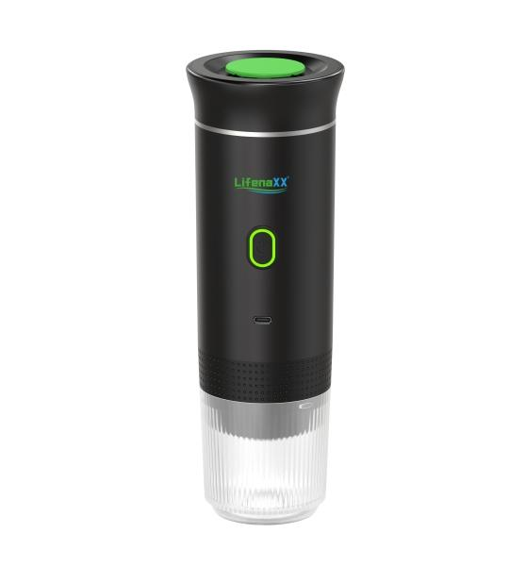
Lifenaxx Espresso To Go LX-060

Item number | 5315 |  | VE | 15
EAN | 4260358128665 |  | Pieces per pallet | 450
Customs number | 85167100 |  | Layers per pallet | 6
UPC | 0
Dimensions - item
Length(inch) | Width(inch) | Height(inch) | Weight(oz)
3.31 | 3.31 | 9.69 | 23,95

Dimensions - item packaging
Length(inch) | Width(inch) | Height(inch) | Tare(oz) | Weight(oz) product + packaging
10.71 | 3.7 | 3.54 | 2,54 | 29,42

Dimensions - VE box (master box)
Length(inch) | Width(inch) | Height(inch) | Weight(oz)
18.5 | 11.42 | 11.61 | 458,56

Packaging - components
Rest of accessories (oz) | Paper / cardboard (oz) | Styrofoam (oz) | Plastic hollow body(oz) | Plastic. foils(oz) | Composite materials (oz)
1,27 | 0,00 | 0,00 | 0,00 | 0,18 | 0,00

Battery / accumulator informations
Battery needed | Battery included | Type of battery | Battery system(typus)
Yes | Yes | Akku | Li-Ion - Lithium-Ionen-Akku
Quantity(piece) | Weight per piece.(oz) | Energy density(WH/Kg) | Power (WH)
3 | 1,59 | 203.74 | 9.25

Lithium battery
Energy content | Weight (oz)
7500 | 4,76

Further informations
Technaxx reseller portal

