Worksheet
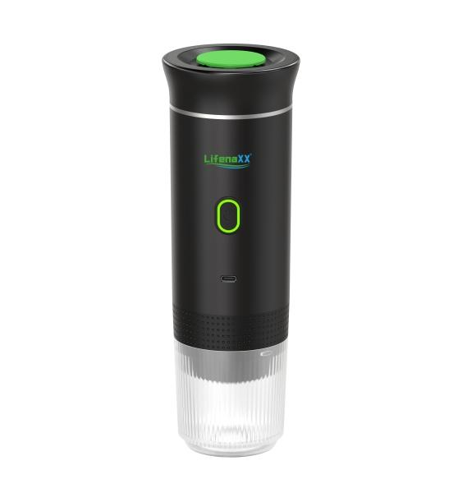
Lifenaxx Espresso To Go LX-060

Item number | 5315 |  | VE | 15
EAN | 4260358128665 |  | Pieces per pallet | 450
Customs number | 85167100 |  | Layers per pallet | 6

Dimensions - item
Length(cm) | Width(cm) | Height(cm) | Weight(g)
8.4 | 8.4 | 24.6 | 679

Dimensions - item packaging
Length(cm) | Width(cm) | Height(cm) | Tare(g) | Weight(g) product + packaging
27.2 | 9.4 | 9 | 72 | 834

Dimensions - VE box (master box)
Length(cm) | Width(cm) | Height(cm) | Weight(g)
47 | 29 | 29.5 | 13000

Packaging - components
Rest of accessories (g) | Paper / cardboard (g) | Styrofoam (g) | Plastic hollow body(g) | Plastic. foils(g) | Composite materials (g)
36 | 0 | 0 | 0 | 5 | 0

Battery / accumulator informations
Battery needed | Battery included | Type of battery | Battery system(typus)
Yes | Yes | Akku | Li-Ion - Lithium-Ionen-Akku
Quantity(piece) | Weight per piece.(g) | Energy density(WH/Kg) | Power (WH)
3 | 45 | 203.74 | 9.25

Lithium battery
Energy content | Weight (Kg)
7500 | 135

Further informations
Technaxx reseller portal

