Worksheet
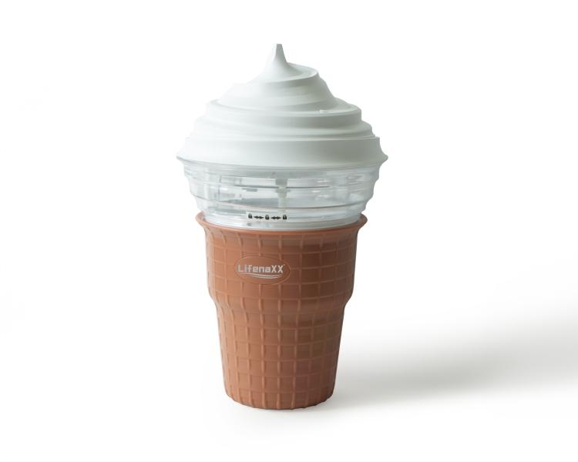
Lifenaxx Mini Ice Cream Maker LX-059

Item number | 5314 |  | VE | 9
EAN | 4260358128658 |  | Pieces per pallet | no information
Customs number | 84186900 |  | Layers per pallet | 3
UPC | 0
Dimensions - item
Length(inch) | Width(inch) | Height(inch) | Weight(oz)
6.1 | 6.1 | 10.63 | 35,20

Dimensions - item packaging
Length(inch) | Width(inch) | Height(inch) | Tare(oz) | Weight(oz) product + packaging
6.3 | 6.3 | 10.83 | 7,02 | 45,22

Dimensions - VE box (master box)
Length(inch) | Width(inch) | Height(inch) | Weight(oz)
19.02 | 19.02 | 11.93 | 335,10

Packaging - components
Rest of accessories (oz) | Paper / cardboard (oz) | Styrofoam (oz) | Plastic hollow body(oz) | Plastic. foils(oz) | Composite materials (oz)
0,00 | 1,59 | 0,28 | 0,00 | 0,25 | 0,00

Further informations
Technaxx reseller portal

