Worksheet
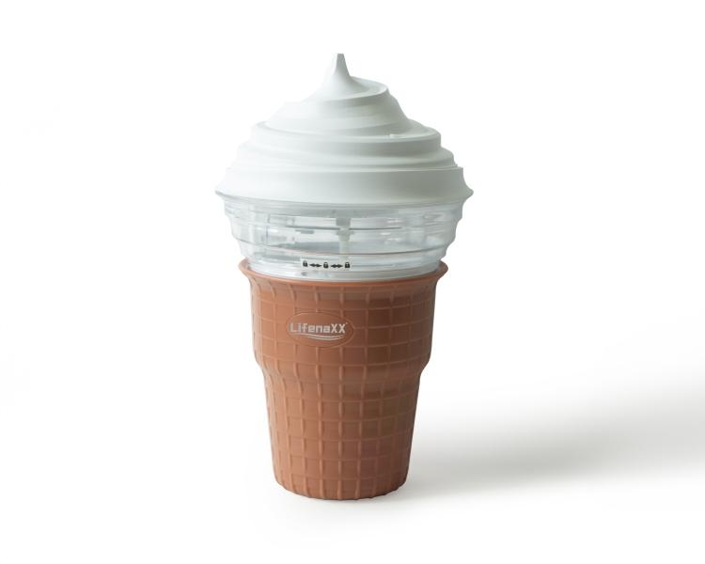
Lifenaxx Mini Ice Cream Maker LX-059

Item number | 5314 |  | VE | 9
EAN | 4260358128658 |  | Pieces per pallet | no information
Customs number | 84186900 |  | Layers per pallet | 3

Dimensions - item
Length(cm) | Width(cm) | Height(cm) | Weight(g)
15.5 | 15.5 | 27 | 998

Dimensions - item packaging
Length(cm) | Width(cm) | Height(cm) | Tare(g) | Weight(g) product + packaging
16 | 16 | 27.5 | 199 | 1282

Dimensions - VE box (master box)
Length(cm) | Width(cm) | Height(cm) | Weight(g)
48.3 | 48.3 | 30.3 | 9500

Packaging - components
Rest of accessories (g) | Paper / cardboard (g) | Styrofoam (g) | Plastic hollow body(g) | Plastic. foils(g) | Composite materials (g)
0 | 45 | 8 | 0 | 7 | 0

Further informations
Technaxx reseller portal

