Worksheet
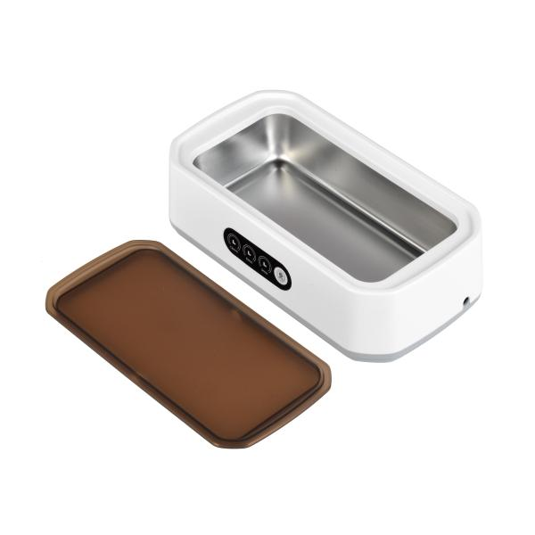
Lifenaxx ultrasonic cleaner LX-058

Item number | 5305 |  | VE | 32
EAN | 4260358128627 |  | Pieces per pallet | 320
Customs number | 84562000 |  | Layers per pallet | 5
UPC | 0
Dimensions - item
Length(inch) | Width(inch) | Height(inch) | Weight(oz)
8.94 | 4.72 | 2.64 | 15,52

Dimensions - item packaging
Length(inch) | Width(inch) | Height(inch) | Tare(oz) | Weight(oz) product + packaging
9.06 | 5.12 | 3.15 | 2,72 | 22,15

Dimensions - VE box (master box)
Length(inch) | Width(inch) | Height(inch) | Weight(oz)
21.26 | 18.7 | 13.78 | 723,12

Packaging - components
Rest of accessories (oz) | Paper / cardboard (oz) | Styrofoam (oz) | Plastic hollow body(oz) | Plastic. foils(oz) | Composite materials (oz)
3,74 | 1,06 | 0,00 | 0,00 | 0,00 | 0,00

Further informations
Technaxx reseller portal

