Worksheet
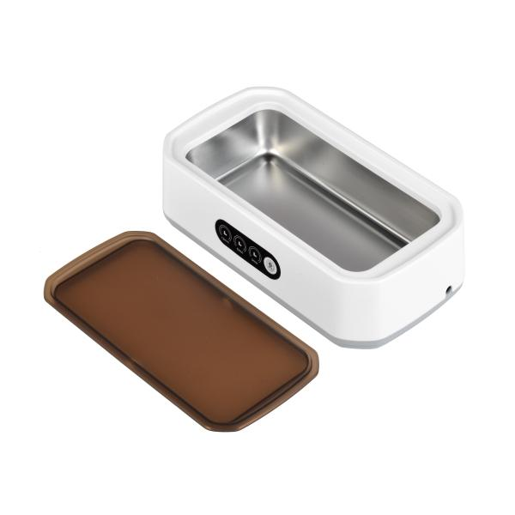
Lifenaxx ultrasonic cleaner LX-058

Item number | 5305 |  | VE | 32
EAN | 4260358128627 |  | Pieces per pallet | 320
Customs number | 84562000 |  | Layers per pallet | 5

Dimensions - item
Length(cm) | Width(cm) | Height(cm) | Weight(g)
22.7 | 12 | 6.7 | 440

Dimensions - item packaging
Length(cm) | Width(cm) | Height(cm) | Tare(g) | Weight(g) product + packaging
23 | 13 | 8 | 77 | 628

Dimensions - VE box (master box)
Length(cm) | Width(cm) | Height(cm) | Weight(g)
54 | 47.5 | 35 | 20500

Packaging - components
Rest of accessories (g) | Paper / cardboard (g) | Styrofoam (g) | Plastic hollow body(g) | Plastic. foils(g) | Composite materials (g)
106 | 30 | 0 | 0 | 0 | 0

Further informations
Technaxx reseller portal

