Worksheet
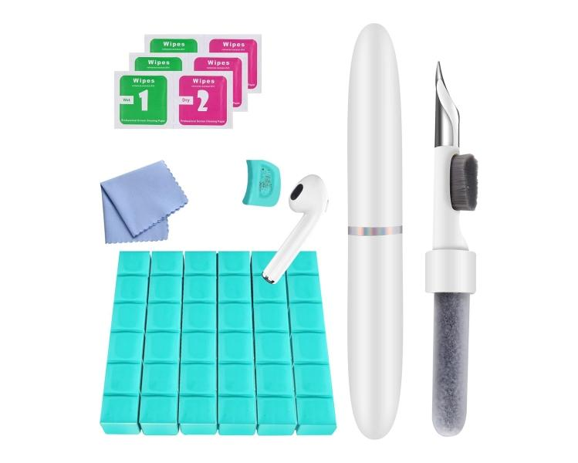
Technaxx Cleaning Kit In-Ear Smartphone TX-333

Item number | 5302 |  | VE | 70
EAN | 4260358128580 |  | Pieces per pallet | no information
Customs number | 96039099 |  | Layers per pallet | no information
UPC | 0
Dimensions - item
Length(inch) | Width(inch) | Height(inch) | Weight(oz)
4.13 | 0.59 | 0.59 | 0,39

Dimensions - item packaging
Length(inch) | Width(inch) | Height(inch) | Tare(oz) | Weight(oz) product + packaging
7.28 | 2.56 | 0.98 | 0,49 | 3,21

Dimensions - VE box (master box)
Length(inch) | Width(inch) | Height(inch) | Weight(oz)
13.86 | 12.4 | 7.48 | 232,81

Packaging - components
Rest of accessories (oz) | Paper / cardboard (oz) | Styrofoam (oz) | Plastic hollow body(oz) | Plastic. foils(oz) | Composite materials (oz)
2,19 | 0,18 | 0,00 | 0,00 | 0,04 | 0,00

Further informations
Technaxx reseller portal

