Worksheet
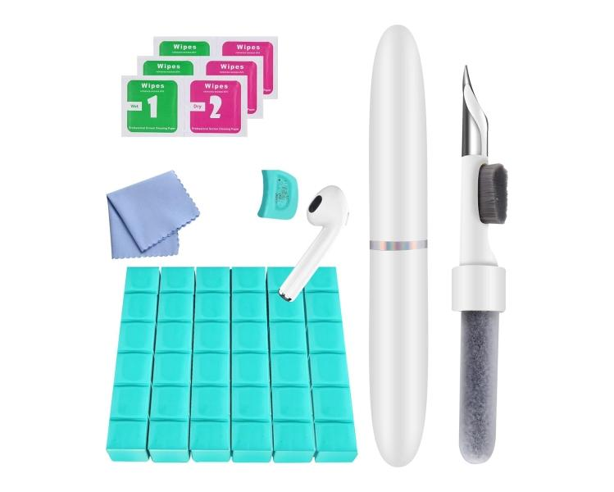
Technaxx Cleaning Kit In-Ear Smartphone TX-333

Item number | 5302 |  | VE | 70
EAN | 4260358128580 |  | Pieces per pallet | no information
Customs number | 96039099 |  | Layers per pallet | no information

Dimensions - item
Length(cm) | Width(cm) | Height(cm) | Weight(g)
10.5 | 1.5 | 1.5 | 11

Dimensions - item packaging
Length(cm) | Width(cm) | Height(cm) | Tare(g) | Weight(g) product + packaging
18.5 | 6.5 | 2.5 | 14 | 91

Dimensions - VE box (master box)
Length(cm) | Width(cm) | Height(cm) | Weight(g)
35.2 | 31.5 | 19 | 6600

Packaging - components
Rest of accessories (g) | Paper / cardboard (g) | Styrofoam (g) | Plastic hollow body(g) | Plastic. foils(g) | Composite materials (g)
62 | 5 | 0 | 0 | 1 | 0

Further informations
Technaxx reseller portal

