Worksheet
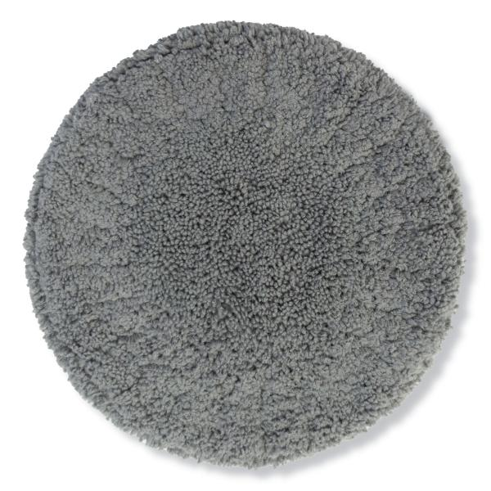
Lifenaxx replacement wipes 10pcs for LX-055,083

Item number | 5301 |  | VE | 25
EAN | 4260358128573 |  | Pieces per pallet | 700
Customs number | 63071030 |  | Layers per pallet | 7
UPC | 0
Dimensions - item
Length(inch) | Width(inch) | Height(inch) | Weight(oz)
5.91 | 5.91 | 0.39 | 4,59

Dimensions - item packaging
Length(inch) | Width(inch) | Height(inch) | Tare(oz) | Weight(oz) product + packaging
5.91 | 1.97 | 6.3 | 1,06 | 5,57

Dimensions - VE box (master box)
Length(inch) | Width(inch) | Height(inch) | Weight(oz)
22.05 | 13.78 | 9.06 | 178,13

Packaging - components
Rest of accessories (oz) | Paper / cardboard (oz) | Styrofoam (oz) | Plastic hollow body(oz) | Plastic. foils(oz) | Composite materials (oz)
0,00 | 0,11 | 0,00 | 0,00 | 0,00 | 0,00

Further informations
Technaxx reseller portal

