Worksheet
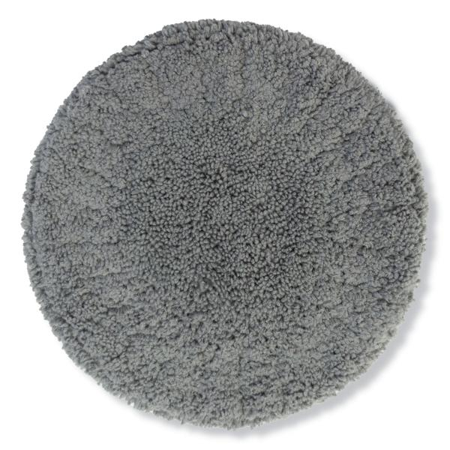
Lifenaxx replacement wipes 10pcs for LX-055,083

Item number | 5301 |  | VE | 25
EAN | 4260358128573 |  | Pieces per pallet | 700
Customs number | 63071030 |  | Layers per pallet | 7

Dimensions - item
Length(cm) | Width(cm) | Height(cm) | Weight(g)
15 | 15 | 1 | 130

Dimensions - item packaging
Length(cm) | Width(cm) | Height(cm) | Tare(g) | Weight(g) product + packaging
15 | 5 | 16 | 30 | 158

Dimensions - VE box (master box)
Length(cm) | Width(cm) | Height(cm) | Weight(g)
56 | 35 | 23 | 5050

Packaging - components
Rest of accessories (g) | Paper / cardboard (g) | Styrofoam (g) | Plastic hollow body(g) | Plastic. foils(g) | Composite materials (g)
0 | 3 | 0 | 0 | 0 | 0

Further informations
Technaxx reseller portal

