Worksheet
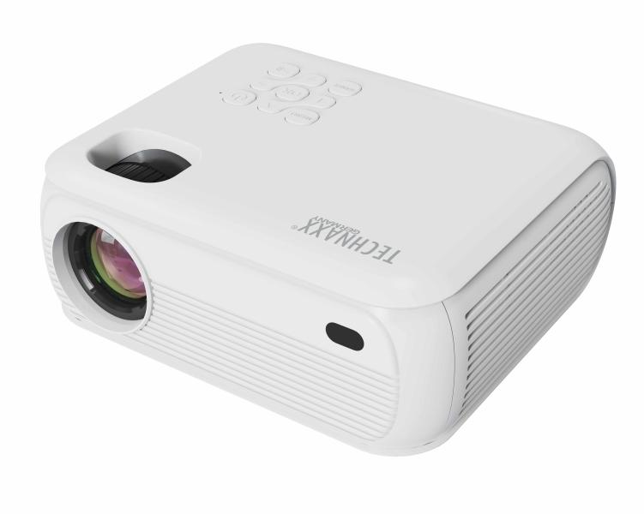
Technaxx 1080P Projector with Netflix TX-332

Item number | 5283 |  | VE | 10
EAN | 4260358128566 |  | Pieces per pallet | no information
Customs number | 85286200 |  | Layers per pallet | no information
UPC | 0
Dimensions - item
Length(inch) | Width(inch) | Height(inch) | Weight(oz)
7.17 | 6.3 | 3.15 | 30,34

Dimensions - item packaging
Length(inch) | Width(inch) | Height(inch) | Tare(oz) | Weight(oz) product + packaging
10.51 | 4.53 | 8.07 | 5,29 | 35,27

Dimensions - VE box (master box)
Length(inch) | Width(inch) | Height(inch) | Weight(oz)
23.62 | 11.1 | 17.01 | 458,56

Packaging - components
Rest of accessories (oz) | Paper / cardboard (oz) | Styrofoam (oz) | Plastic hollow body(oz) | Plastic. foils(oz) | Composite materials (oz)
0,00 | 0,00 | 0,00 | 0,00 | 0,00 | 0,00

Further informations
Technaxx reseller portal

