Worksheet
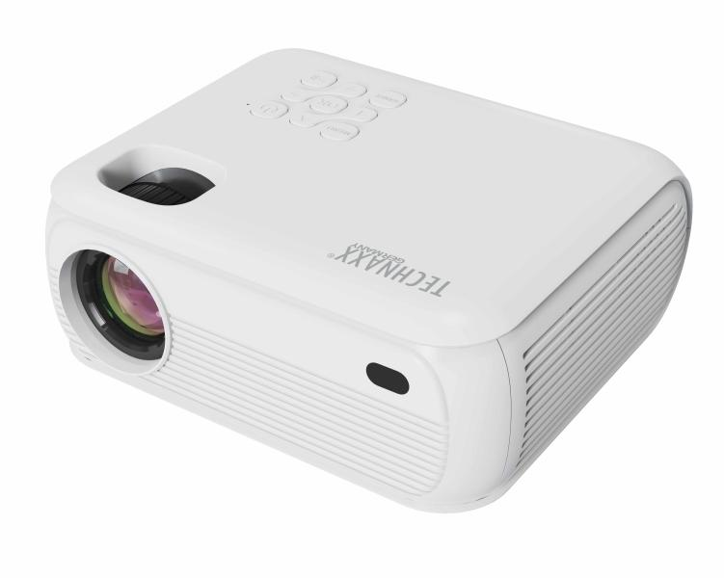
Technaxx 1080P Projector with Netflix TX-332

Item number | 5283 |  | VE | 10
EAN | 4260358128566 |  | Pieces per pallet | no information
Customs number | 85286200 |  | Layers per pallet | no information

Dimensions - item
Length(cm) | Width(cm) | Height(cm) | Weight(g)
18.2 | 16 | 8 | 860

Dimensions - item packaging
Length(cm) | Width(cm) | Height(cm) | Tare(g) | Weight(g) product + packaging
26.7 | 11.5 | 20.5 | 150 | 1000

Dimensions - VE box (master box)
Length(cm) | Width(cm) | Height(cm) | Weight(g)
60 | 28.2 | 43.2 | 13000

Packaging - components
Rest of accessories (g) | Paper / cardboard (g) | Styrofoam (g) | Plastic hollow body(g) | Plastic. foils(g) | Composite materials (g)
0 | 0 | 0 | 0 | 0 | 0

Further informations
Technaxx reseller portal

