Worksheet
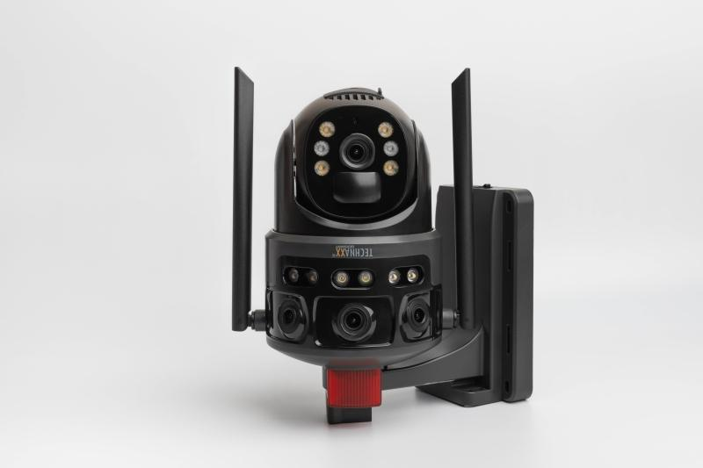
Technaxx 4G Dual Camera Outdoor TX-329 with Solar Panel

Item number | 5281 |  | VE | 8
EAN | 4260358128559 |  | Pieces per pallet | no information
Customs number | 85258900 |  | Layers per pallet | no information
UPC | 0
Dimensions - item
Length(inch) | Width(inch) | Height(inch) | Weight(oz)
9.06 | 7.48 | 4.33 | 28,57

Dimensions - item packaging
Length(inch) | Width(inch) | Height(inch) | Tare(oz) | Weight(oz) product + packaging
10.83 | 8.46 | 6.3 | 8,61 | 63,00

Dimensions - VE box (master box)
Length(inch) | Width(inch) | Height(inch) | Weight(oz)
22.44 | 17.52 | 13.58 | 582,02

Packaging - components
Rest of accessories (oz) | Paper / cardboard (oz) | Styrofoam (oz) | Plastic hollow body(oz) | Plastic. foils(oz) | Composite materials (oz)
3,95 | 8,82 | 0,00 | 0,00 | 1,41 | 0,00

Battery / accumulator informations
Battery needed | Battery included | Type of battery | Battery system(typus)
Yes | Yes | Akku | Li-Ion - Lithium-Ionen-Akku
Quantity(piece) | Weight per piece.(oz) | Energy density(WH/Kg) | Power (WH)
4 | 1,55 | 170.11 | 29.6

Lithium battery
Energy content | Weight (oz)
8000 | 6,14

Further informations
Technaxx reseller portal

